Cover
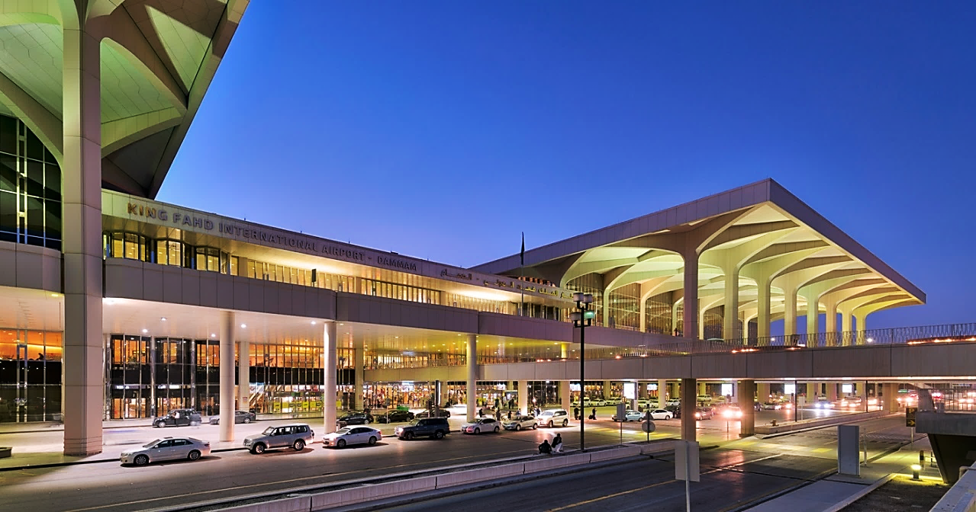

KING FAHAD INTERNATIONAL AIRPORT
2020.200 LANDSIDE SERVICES

EQUIPMENT LIST

MONTH OF NOVEMBER 2024

Subject: Installation, Repair & Maintenance Works

 | SUBMITTED BY:
ABATAT CONTRACTING COMPANY

